EGI1 (FINAL)
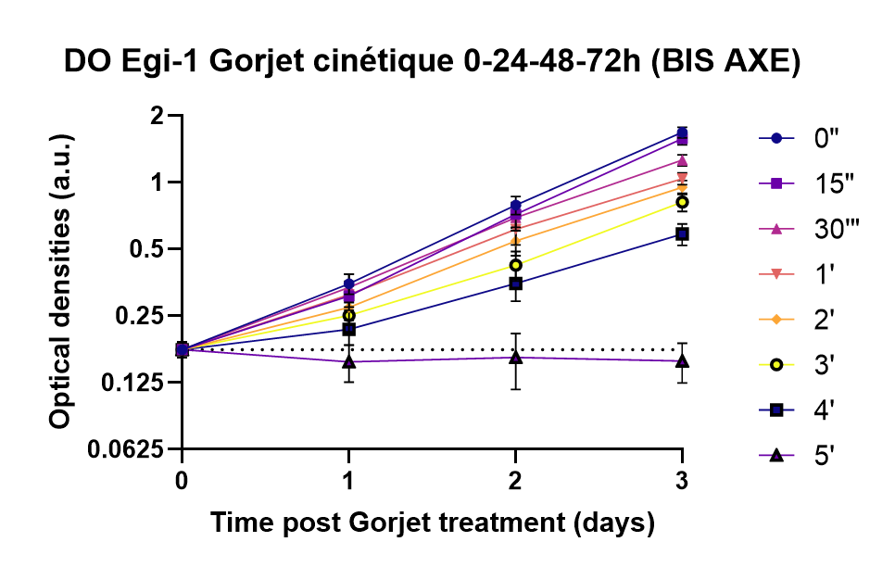
0" | N=1 | N=2 | N=3 | N=4 | MEAN | SD | 2' | N=1 | N=2 | N=3 | N=4 | MEAN | SD
0H | 0.121175 | 0.1879 | 0.2568 | 0.1383 | 0.17604375 | 0.055610233644 | 0H | 0.121175 | 0.1879 | 0.2568 | 0.1383 | 0.17604375 | 0.055610233644
24h | 0.2248 | 0.42325 | 0.53705 | 0.21215 | 0.3493125 | 0.1406320526 | 24h | 0.1749 | 0.32425 | 0.39765 | 0.1953 | 0.3493125 | 0.1406320526
48h | 0.5373 | 0.86705 | 1.21625 | 0.54195 | 0.7906375 | 0.28575672209 | 48h | 0.317 | 0.6209 | 0.8407 | 0.39935 | 0.7906375 | 0.28575672209
72h | 1.276600005 | 1.5387999988 | 2.1557749962 | 1.4275 | 1.6822083325 | 0.44174470451 | 72h | 0.8300250025 | 1.0095166633 | 1.049799975 | 0.9126 | 1.6822083325 | 0.44174470451

15" | N=1 | N=2 | N=3 | N=4 | MEAN | SD | 3' | N=1 | N=2 | N=3 | N=4 | MEAN | SD
0H | 0.121175 | 0.1879 | 0.2568 | 0.1383 | 0.17604375 | 0.055610233644 | 0H | 0.121175 | 0.1879 | 0.2568 | 0.1383 | 0.17604375 | 0.055610233644
24h | 0.19835 | 0.35565 | 0.42425 | 0.2524 | 0.3076625 | 0.089231744456 | 24h | 0.13645 | 0.286 | 0.4023 | 0.179 | 0.3493125 | 0.1406320526
48h | 0.4659 | 0.7887 | 1.08695 | 0.53615 | 0.719425 | 0.24519826162 | 48h | 0.26085 | 0.4979 | 0.66815 | 0.2676 | 0.7906375 | 0.28575672209
72h | 1.24425 | 1.68495 | 1.590750035 | 1.677075 | 1.574820007 | 0.28319965977 | 72h | 0.76795001 | 0.8531250025 | 0.885899995 | 0.7662 | 1.6822083325 | 0.44174470451

30" | N=1 | N=2 | N=3 | N=4 | MEAN | SD | 4' | N=1 | N=2 | N=3 | N=4 | MEAN | SD
0H | 0.121175 | 0.1879 | 0.2568 | 0.1383 | 0.17604375 | 0.055610233644 | 0H | 0.121175 | 0.1879 | 0.2568 | 0.1383 | 0.17604375 | 0.055610233644
24h | 0.17995 | 0.3939 | 0.51905 | 0.25305 | 0.3364875 | 0.13099427647 | 24h | 0.12375 | 0.25405 | 0.33335 | 0.15765 | 0.2172 | 0.086196429015
48h | 0.45305 | 0.7967 | 1.02315 | 0.50415 | 0.6942625 | 0.23461934696 | 48h | 0.19105 | 0.48575 | 0.52375 | 0.2 | 0.3501375 | 0.15585505035
72h | 1.00819999 | 1.38655 | 1.50192501 | 1.15995 | 1.261125 | 0.23904397879 | 72h | 0.5353499975 | 0.59875 | 0.85165 | 0.40245001 | 0.584710001 | 0.19570355807

1' | N=1 | N=2 | N=3 | N=4 | MEAN | SD | 5' | N=1 | N=2 | N=3 | N=4 | MEAN | SD
0H | 0.121175 | 0.1879 | 0.2568 | 0.1383 | 0.17604375 | 0.055610233644 | 0H | 0.121175 | 0.1879 | 0.2568 | 0.1383 | 0.17604375 | 0.055610233644
24h | 0.17285 | 0.37905 | 0.4771 | 0.2179 | 0.311725 | 0.12363085173 | 24h | 0.0902 | 0.2504 | 0.17515 | 0.10415 | 0.154975 | 0.078337818134
48h | 0.36415 | 0.68845 | 0.97435 | 0.4315 | 0.6146125 | 0.24318101379 | 48h | 0.0689 | 0.1615 | 0.2762 | 0.1424 | 0.16225 | 0.12107533037
72h | 0.894783335 | 1.2199499975 | 1.12435001 | 1.0276 | 1.0394571443 | 0.23375741818 | 72h | 0.07645 | 0.111325 | 0.120749995 | 0.13795 | 0.15618571357 | 0.11462623662

HuCCT1 (FINAL)
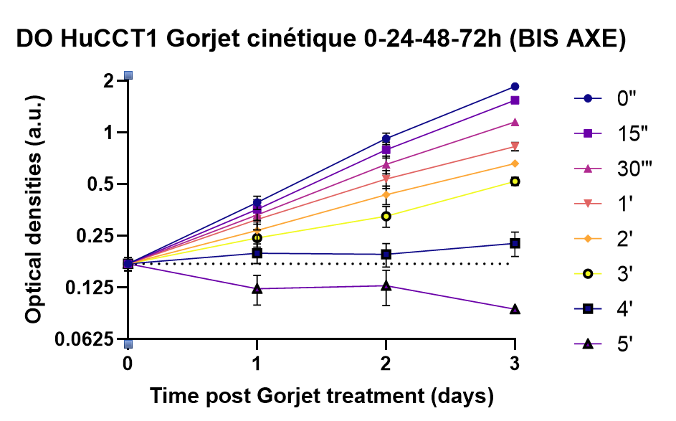
0" | N=1 | N=2 | N=3 | N=4 | MEAN | SD | 2' | N=1 | N=2 | N=3 | N=4 | MEAN | SD
0H | 0.13105 | 0.145525 | 0.20845 | 0.18735 | 0.171945 | 0.067700454597 | 0H | 0.13105 | 0.145525 | 0.20845 | 0.18735 | 0.171945 | 0.067700454597
24h | 0.232875 | 0.419575 | 0.481875 | 0.411125 | 0.391315 | 0.15558080749 | 24h | 0.15215 | 0.44045 | 0.2621 | 0.244875 | 0.26889 | 0.10543782475
48h | 0.618225 | 1.04105 | 1.07215 | 0.9401375 | 0.92234 | 0.31855904005 | 48h | 0.2153 | 0.6329 | 0.50895 | 0.4073 | 0.43435 | 0.17059473745
72h | 1.6787750125 | 2.09125 | 2.2913500075 | 1.633575 | 1.8592958367 | 0.29848521016 | 72h | 0.519299985 | 0.6806 | 0.538600015 | 0.71996249375 | 0.65976428214 | 0.11323569521

15" | N=1 | N=2 | N=3 | N=4 | MEAN | SD | 3' | N=1 | N=2 | N=3 | N=4 | MEAN | SD
0H | 0.13105 | 0.145525 | 0.20845 | 0.18735 | 0.171945 | 0.067700454597 | 0H | 0.13105 | 0.145525 | 0.20845 | 0.18735 | 0.171945 | 0.067700454597
24h | 0.18565 | 0.3622 | 0.3825 | 0.42715 | 0.35693 | 0.15315192385 | 24h | 0.1422 | 0.2625 | 0.25255 | 0.279975 | 0.24344 | 0.090649403381
48h | 0.4849 | 0.9502 | 0.87165 | 0.835475 | 0.79554 | 0.26686200117 | 48h | 0.15625 | 0.39795 | 0.3743 | 0.3502 | 0.32578 | 0.14208641776
72h | 1.30835003 | 1.806199965 | 1.38345 | 1.6132 | 1.544879999 | 0.20030182406 | 72h | 0.49104999 | 0.3713 | 0.60364997 | 0.55231666667 | 0.52049166 | 0.097783480002

30" | N=1 | N=2 | N=3 | N=4 | MEAN | SD | 4' | N=1 | N=2 | N=3 | N=4 | MEAN | SD
0H | 0.13105 | 0.145525 | 0.20845 | 0.18735 | 0.171945 | 0.067700454597 | 0H | 0.13105 | 0.145525 | 0.20845 | 0.18735 | 0.171945 | 0.067700454597
24h | 0.1916 | 0.3496 | 0.36985 | 0.372325 | 0.33114 | 0.12144346147 | 24h | 0.1078 | 0.17485 | 0.22795 | 0.24075 | 0.19842 | 0.082467994465
48h | 0.3414 | 0.83355 | 0.74755 | 0.669875 | 0.65245 | 0.24352909477 | 48h | 0.0937 | 0.31995 | 0.18 | 0.1911 | 0.19517 | 0.096500976391
72h | 1.011400015 | 1.106550035 | 1.458649995 | 1.1182833333 | 1.1552416742 | 0.16489624462 | 72h | 0.13045 | 0.172400005 | 0.14125 | 0.343725 | 0.226310001 | 0.11503351609

1' | N=1 | N=2 | N=3 | N=4 | MEAN | SD | 5' | N=1 | N=2 | N=3 | N=4 | MEAN | SD
0H | 0.13105 | 0.145525 | 0.20845 | 0.18735 | 0.171945 | 0.067700454597 | 0H | 0.13105 | 0.145525 | 0.20845 | 0.18735 | 0.171945 | 0.067700454597
24h | 0.14995 | 0.33405 | 0.33465 | 0.37055 | 0.31195 | 0.12980214003 | 24h | 0.05395 | 0.21305 | 0.0568 | 0.11623333333 | 0.12298 | 0.076956633531
48h | 0.26215 | 0.63465 | 0.67575 | 0.555925 | 0.53688 | 0.20122612791 | 48h | 0.04355 | 0.17165 | 0.1455 | 0.15961666667 | 0.12797 | 0.094350749865
72h | 0.768849995 | 0.65189999 | 1.182699975 | 0.80345000125 | 0.83103570929 | 0.17495445639 | 72h | 0.0757 | 0.0761 | 0.08905 | 0.103425 | 0.093507142857 | 0.018472743509

PANC1 (FINAL)
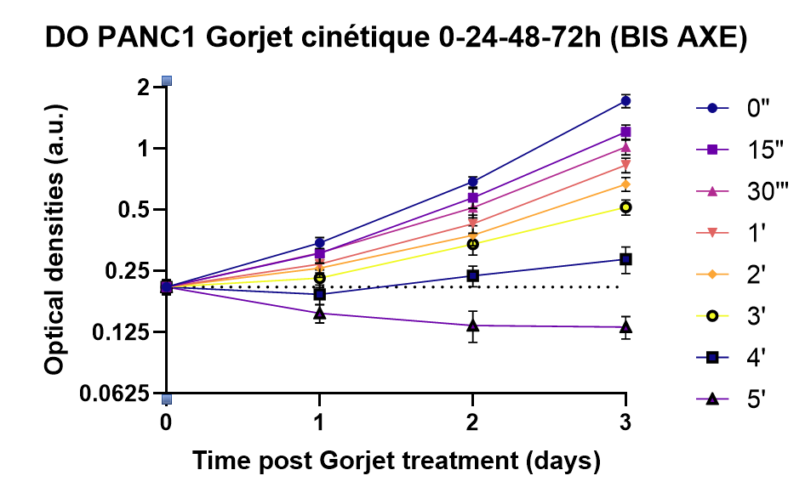
0" | N=1 | N=2 | N=3 | N=4 | MEAN | SD | 2' | N=1 | N=2 | N=3 | N=4 | MEAN | SD
0H | 0.11915 | 0.1161 | 0.232475 | 0.27655 | 0.20888333333 | 0.083581278675 | 0H | 0.11915 | 0.1161 | 0.232475 | 0.27655 | 0.20888333333 | 0.083581278675
24h | 0.257325 | 0.432475 | 0.389 | 0.3206375 | 0.344015 | 0.094146751488 | 24h | 0.18615 | 0.3235 | 0.33205 | 0.225875 | 0.25869 | 0.081740258679
48h | 0.6479 | 0.911125 | 0.7149 | 0.5806375 | 0.68704 | 0.18086132344 | 48h | 0.3419 | 0.5632 | 0.44825 | 0.261925 | 0.37544 | 0.13431885944
72h | 1.772025 | 1.675325 | 1.9516833333 | 1.4024416667 | 1.7165444444 | 0.65833308517 | 72h | 0.79995 | 0.70305 | 0.80685 | 0.591125 | 0.66776428571 | 0.19426565319

15" | N=1 | N=2 | N=3 | N=4 | MEAN | SD | 3' | N=1 | N=2 | N=3 | N=4 | MEAN | SD
0H | 0.11915 | 0.1161 | 0.232475 | 0.27655 | 0.20888333333 | 0.083581278675 | 0H | 0.11915 | 0.1161 | 0.232475 | 0.27655 | 0.20888333333 | 0.083581278675
24h | 0.2324 | 0.37495 | 0.4037 | 0.25865 | 0.30567 | 0.10394130876 | 24h | 0.17215 | 0.2898 | 0.2987 | 0.1962 | 0.23061 | 0.072801014187
48h | 0.56455 | 0.79005 | 0.69635 | 0.40675 | 0.57289 | 0.19945251426 | 48h | 0.30365 | 0.5062 | 0.4012 | 0.2411 | 0.33865 | 0.12347661272
72h | 1.462 | 1.22925 | 1.4301 | 1.0849125 | 1.2087142857 | 0.36639897518 | 72h | 0.7261 | 0.5798 | 0.48915 | 0.4527 | 0.51512142857 | 0.16201156264

30" | N=1 | N=2 | N=3 | N=4 | MEAN | SD | 4' | N=1 | N=2 | N=3 | N=4 | MEAN | SD
0H | 0.11915 | 0.1161 | 0.232475 | 0.27655 | 0.20888333333 | 0.083581278675 | 0H | 0.11915 | 0.1161 | 0.232475 | 0.27655 | 0.20888333333 | 0.083581278675
24h | 0.2207 | 0.39815 | 0.377 | 0.27015 | 0.30723 | 0.10524407663 | 24h | 0.11655 | 0.2149 | 0.2427 | 0.192825 | 0.19196 | 0.067432965891
48h | 0.5186 | 0.68765 | 0.62295 | 0.3669 | 0.5126 | 0.1777979065 | 48h | 0.20115 | 0.3875 | 0.22645 | 0.18545 | 0.2372 | 0.087268589233
72h | 1.26755 | 1.0409 | 1.17005 | 0.9117875 | 1.01795 | 0.31788701851 | 72h | 0.52525 | 0.20885 | 0.13325 | 0.283675 | 0.28600714286 | 0.15888486138

1' | N=1 | N=2 | N=3 | N=4 | MEAN | SD | 5' | N=1 | N=2 | N=3 | N=4 | MEAN | SD
0H | 0.11915 | 0.1161 | 0.232475 | 0.27655 | 0.20888333333 | 0.083581278675 | 0H | 0.11915 | 0.1161 | 0.232475 | 0.27655 | 0.20888333333 | 0.083581278675
24h | 0.2156 | 0.3264 | 0.35585 | 0.2283 | 0.27089 | 0.082166828262 | 24h | 0.1133 | 0.15575 | 0.2329 | 0.136725 | 0.15508 | 0.050953154956
48h | 0.42805 | 0.5913 | 0.5087 | 0.305375 | 0.42776 | 0.13959361813 | 48h | 0.109 | 0.23145 | 0.10235 | 0.116175 | 0.13503 | 0.074609115469
72h | 1.0024 | 0.8663 | 0.97695 | 0.7408375 | 0.82985714286 | 0.25462014759 | 72h | 0.1966 | 0.13065 | 0.06645 | 0.1334625 | 0.13250714286 | 0.062941578092

MiaPaCa2 (FINAL)
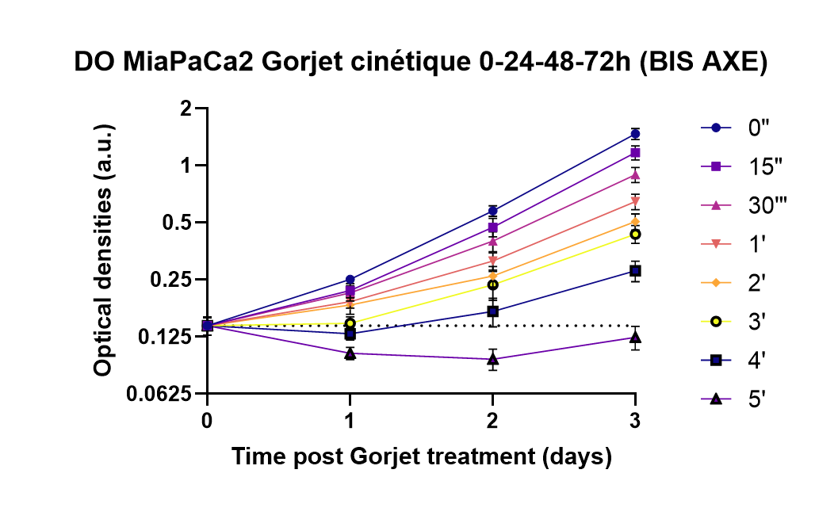
0" | N=1 | N=2 | N=3 | N=4 | MEAN | SD | 2' | N=1 | N=2 | N=3 | N=4 | MEAN | SD
0H | 0.06895 | 0.0774 | 0.1304 | 0.2188875 | 0.142905 | 0.068920751401 | 0H | 0.06895 | 0.0774 | 0.1304 | 0.2188875 | 0.142905 | 0.068920751401
24h | 0.20475 | 0.314325 | 0.266575 | 0.2174 | 0.2507625 | 0.046989514788 | 24h | 0.1451 | 0.2679 | 0.18245 | 0.1404 | 0.1839625 | 0.055351782459
48h | 0.48885 | 0.77705 | 0.61785 | 0.421975 | 0.57643125 | 0.14392610937 | 48h | 0.2035 | 0.39075 | 0.2804 | 0.1703 | 0.2612375 | 0.090874166335
72h | 1.72195 | 2.024975 | 1.76065 | 1.1052583333 | 1.4705583333 | 0.48195286249 | 72h | 0.64475 | 0.73885 | 0.60095 | 0.35075 | 0.50613333333 | 0.17370350566

15" | N=1 | N=2 | N=3 | N=4 | MEAN | SD | 3' | N=1 | N=2 | N=3 | N=4 | MEAN | SD
0H | 0.06895 | 0.0774 | 0.1304 | 0.2188875 | 0.142905 | 0.068920751401 | 0H | 0.06895 | 0.0774 | 0.1304 | 0.2188875 | 0.142905 | 0.068920751401
24h | 0.1979 | 0.29305 | 0.22335 | 0.16325 | 0.2193875 | 0.053162915042 | 24h | 0.1188 | 0.1822 | 0.1687 | 0.1189 | 0.14715 | 0.033199483645
48h | 0.39545 | 0.66865 | 0.5219 | 0.30705 | 0.4732625 | 0.14747676754 | 48h | 0.1927 | 0.3976 | 0.23705 | 0.1136 | 0.2352375 | 0.11655414361
72h | 1.3924 | 1.6149 | 1.29865 | 0.90456666667 | 1.1699416667 | 0.34030636854 | 72h | 0.5982 | 0.6288 | 0.48725 | 0.2989 | 0.43515833333 | 0.16089331563

30" | N=1 | N=2 | N=3 | N=4 | MEAN | SD | 4' | N=1 | N=2 | N=3 | N=4 | MEAN | SD
0H | 0.06895 | 0.0774 | 0.1304 | 0.2188875 | 0.142905 | 0.068920751401 | 0H | 0.06895 | 0.0774 | 0.1304 | 0.2188875 | 0.142905 | 0.068920751401
24h | 0.16465 | 0.29555 | 0.2175 | 0.17405 | 0.2129375 | 0.055483148986 | 24h | 0.10445 | 0.15425 | 0.1518 | 0.108 | 0.129625 | 0.026515049635
48h | 0.31645 | 0.5868 | 0.4399 | 0.25435 | 0.399375 | 0.13641547619 | 48h | 0.14865 | 0.28335 | 0.16855 | 0.07995 | 0.170125 | 0.083095775206
72h | 1.13405 | 1.21675 | 1.00605 | 0.67051666667 | 0.89473333333 | 0.27801302237 | 72h | 0.3892 | 0.404 | 0.2853 | 0.1975 | 0.2785 | 0.11860316568

1' | N=1 | N=2 | N=3 | N=4 | MEAN | SD | 5' | N=1 | N=2 | N=3 | N=4 | MEAN | SD
0H | 0.06895 | 0.0774 | 0.1304 | 0.2188875 | 0.142905 | 0.068920751401 | 0H | 0.06895 | 0.0774 | 0.1304 | 0.2188875 | 0.142905 | 0.068920751401
24h | 0.1547 | 0.24385 | 0.20555 | 0.16045 | 0.1911375 | 0.03943337736 | 24h | 0.08955 | 0.1343 | 0.09005 | 0.0952 | 0.102275 | 0.021502342065
48h | 0.27735 | 0.42745 | 0.3439 | 0.2059 | 0.31365 | 0.091371549182 | 48h | 0.0864 | 0.14335 | 0.0827 | 0.0682 | 0.0951625 | 0.034544875059
72h | 0.81985 | 0.8963 | 0.7566 | 0.46661666667 | 0.64543333333 | 0.2082220333 | 72h | 0.1014 | 0.14905 | 0.07485 | 0.147725 | 0.12415 | 0.055931431235

